cond formatttt
Emp Code | Employee Name | Address | City | Region | Department | Basic | Basic | Basic | Basic | Date | Employee Name |  | Department
1 | JP Kumar | Andheri (W) | Mumbai | W | Training | 6250 | 6250 | 6250 | 6250 | 2023-06-02 | JP Kumar |  | Training
2 | Anjali Thakur | Govindpuri | Delhi | N | Accounts | 8750 | 8750 | 8750 | 8750 | 2023-06-03 | Anjali Thakur |  | Accounts
3 | Priya Agarwal | Sector 9 | coimba | N | Marketing | 11250 | 11250 | 11250 | 11250 | 2023-06-04 | Priya Agarwal |  | Marketing
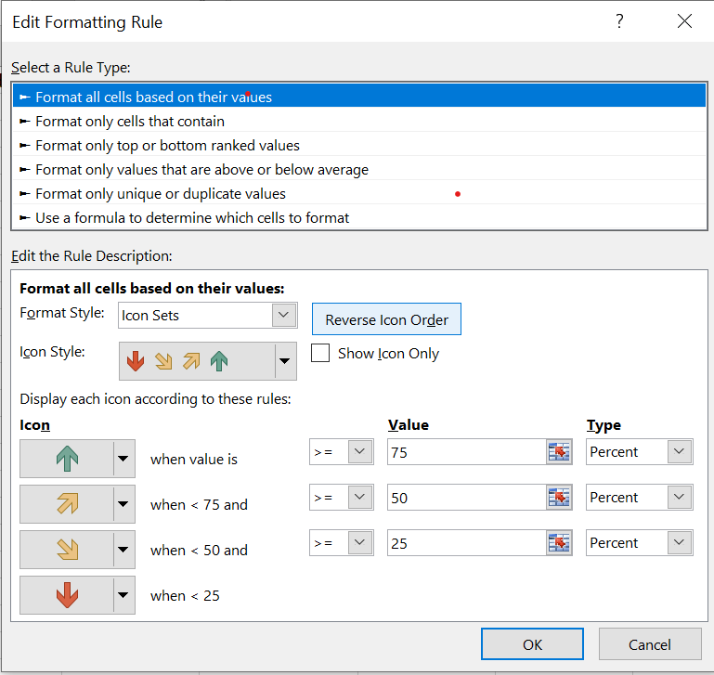
4 | R Vasu | Egmore | Chennai | S | R&D | 10000 | 10000 | 10000 | 10000 | 2023-06-05 | R Vasu |  | R&D
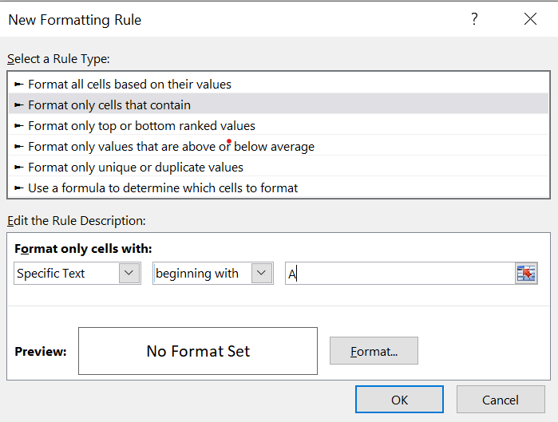
5 | Sanjay Gupta | G K - II | Delhi | N | Training | 16250 | 16250 | 16250 | 16250 | 2023-06-06 | Sanjay Gupta |  | Training
6 | Jharna Biswal | Link Road | Cuttack | E | Accounts | 6400 | 6400 | 6400 | 6400 | 2023-07-07 | Jharna Biswal |  | Accounts
7 | Prakash Dutta | Elgin Road | Kolkata | E | Marketing | 4500 | 4500 | 4500 | 4500 | 2023-06-08 | Prakash Dutta |  | Marketing
8 | Manisha Guha | Alipore | Kolkata | E | R&D | 6275 | 6275 | 6275 | 6275 | 2023-05-09 | Manisha Guha |  | R&D
9 | Arjun Jain | MG Road | Mumbai | W | Training | 6250 | 6250 | 6250 | 6250 | 2023-06-10 | Arjun Jain |  | Training
10 | Arjun Kapoor | Kormangala | Bangalore | S | Accounts | 8750 | 8750 | 8750 | 8750 | 2023-06-11 | Arjun Kapoor |  | Accounts
11 | Abrar | Jayanagar | Bangalore | S | Marketing | 11250 | 11250 | 11250 | 11250 | 2023-06-12 | Abrar |  | Marketing
12 | Shahid Khan | M.G Road | Mangalore | S | R&D | 10000 | 10000 | 10000 | 10000 | 2023-07-13 | Shahid Khan |  | R&D
13 | Anupam Mishra | Govindpuri | Mysore | S | Training | 16250 | 16250 | 16250 | 16250 | 2023-06-14 | Anupam Mishra |  | Training
14 | Ashwini | Sector 9 | Mangalore | S | Accounts | 6400 | 6400 | 6400 | 6400 | 2023-06-15 | Ashwini | above window comes in manage rule > new rule | Accounts
15 | Prateek Babbar | North Road | Delhi | N | Marketing | 4500 | 4500 | 4500 | 4500 | 2023-06-16 | Prateek Babbar |  | Marketing
16 | Sukanya Reddy | Alipore | Mangalore | S | R&D | 6275 | 6275 | 6275 | 6275 | 2023-06-17 | Sukanya Reddy |  | R&D
17 | Satish Puri | Bandra | bhopal | W | Operation | 6250 | 6250 | 6250 | 6250 | 2023-06-18 | Satish Puri |  | Operation
18 | Anjum Chopra | Worli | sikkim | W | R&D | 8750 | 8750 | 8750 | 8750 | 2023-06-19 | Anjum Chopra |  | R&D
19 | Akram Khan | S P B Road | Pune | W | Operation | 11250 | 11250 | 11250 | 11250 | 2023-06-20 | Akram Khan |  | Operation
20 | Manish Grover | L L R Road | Noida | N | Training | 10000 | 10000 | 10000 | 10000 | 2023-06-21 | Manish Grover |  | Training

 |  |  |  |  |  |  | bar or icon same rule | we can change our arrow direction based on condition we provide
 |  |  |  |  |  |  | to hide this above column value go to>conditional formatting > manage rule>show bar rule
 | formatting based on condtion |  | we can apply multiple formating to single column
 | highlight cell rule |  | block the cell where you want to apply formatting then go to conditional formatting then go to >greater than >enter a value and color it
 |  | same for less than
 |  | same for in between
 |  |  |  |  |  |  |  |  |  | above and below average you do not have to select average separatly but rather sywstem will do autometic
 |  | text that contain | go to> highlight cell rule>text that contain>can give multiple alphabet

 | TOP BOTTOM RULE | same for

Sheet3
Emp Code | Employee Name | Address | City | Region | Department | Basic | I want to create a list and based on that list conditional formatting should happnen
1 | JP Kumar | Andheri (W) | Mumbai | W | Training | 6250
2 | Anjali Thakur | Govindpuri | Delhi | N | Accounts | 8750 |  | before | after
3 | Priya Agarwal | Sector 9 | Noida | N | Marketing | 11250 |  | Department | Department
4 | R Vasu | Egmore | Chennai | S | R&D | 10000 |  | Training | Training
5 | Sanjay Gupta | G K - II | Delhi | N | Training | 16250 |  | Accounts
6 | Jharna Biswal | Link Road | Cuttack | E | Accounts | 6400 |  | Marketing | above cell done by data validation
7 | Prakash Dutta | Elgin Road | Kolkata | E | Marketing | 4500 |  | R&D | this list is created through data validation
8 | Manisha Guha | Alipore | Kolkata | E | R&D | 6275 |  | Operation
9 | Arjun Jain | MG Road | Mumbai | W | Training | 6250
10 | Arjun Kapoor | Kormangala | Bangalore | S | Accounts | 8750
11 | Abrar | Jayanagar | Bangalore | S | Marketing | 11250 |  |  | only some art of data validation but in next work book separate data validation we are going to learn
12 | Shahid Khan | M.G Road | Mangalore | S | R&D | 10000
13 | Anupam Mishra | Govindpuri | Mysore | S | Training | 16250
14 | Ashwini | Sector 9 | Mangalore | S | Accounts | 6400
15 | Prateek Babbar | North Road | Delhi | N | Marketing | 4500
16 | Sukanya Reddy | Alipore | Mangalore | S | R&D | 6275
17 | Satish Puri | Bandra | Mumbai | W | Operation | 6250
18 | Anjum Chopra | Worli | Mumbai | W | R&D | 8750
19 | Akram Khan | S P B Road | Pune | W | Operation | 11250
20 | Manish Grover | L L R Road | Noida | N | Training | 10000

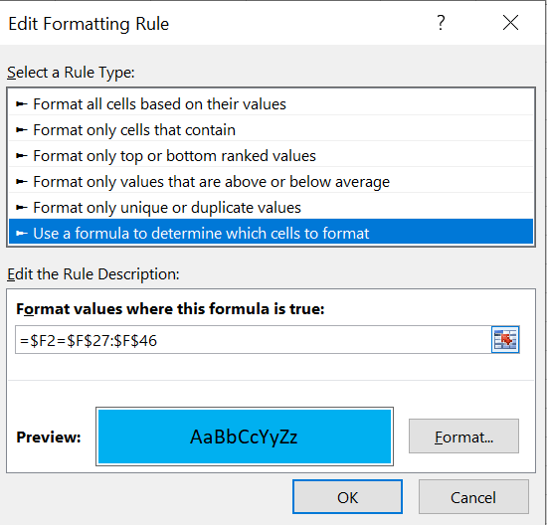
Emp Code | Employee Name | Address | City | Region | Department | Basic
1 | JP Kumar | Andheri (W) | Mumbai | W | Training | 6250
2 | Anjali Thakur | Govindpuri | Delhi | N | Accounts | 8750
3 | Priya Agarwal | Sector 9 | Noida | N | Marketing | 11250
4 | R Vasu | Egmore | Chennai | S | R&D | 10000
5 | Sanjay Gupta | G K - II | Delhi | N | Training | 16250
6 | Jharna Biswal | Link Road | Cuttack | E | Accounts | 6400
7 | Prakash Dutta | Elgin Road | Kolkata | E | Marketing | 4500
8 | Manisha Guha | Alipore | Kolkata | E | R&D | 6275
9 | Arjun Jain | MG Road | Mumbai | W | Training | 6250
10 | Arjun Kapoor | Kormangala | Bangalore | S | Accounts | 8750
11 | Abrar | Jayanagar | Bangalore | S | Marketing | 11250 |  |  |  |  | you can use any condition here
12 | Shahid Khan | M.G Road | Mangalore | S | R&D | 10000 |  |  |  |  | can apply | iseven
13 | Anupam Mishra | Govindpuri | Mysore | S | Training | 16250 |  |  |  |  |  | isodd
14 | Ashwini | Sector 9 | Mangalore | S | Accounts | 6400
15 | Prateek Babbar | North Road | Delhi | N | Marketing | 4500 |  |  |  |  |  | OR(F2="TRAINING",F2="R&D")
16 | Sukanya Reddy | Alipore | Mangalore | S | R&D | 6275
17 | Satish Puri | Bandra | Mumbai | W | Operation | 6250
18 | Anjum Chopra | Worli | Mumbai | W | R&D | 8750 | this is static
19 | Akram Khan | S P B Road | Pune | W | Operation | 11250 | $ is to freeze entire row and |  |  | this is entire department column
20 | Manish Grover | L L R Road | Noida | N | Training | 10000

